Sheet1
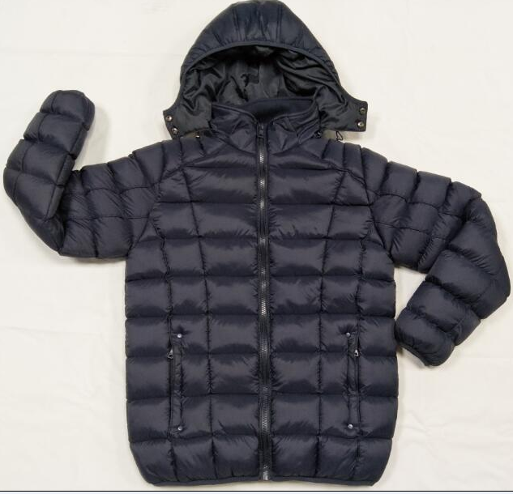
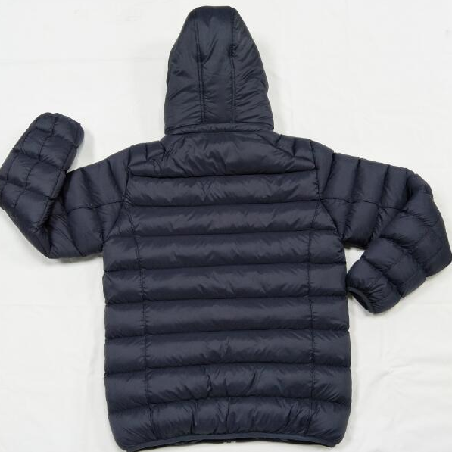
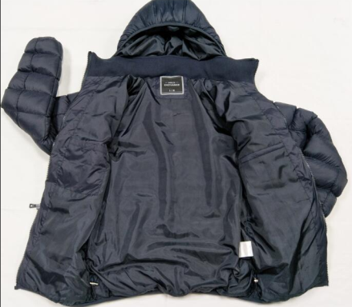
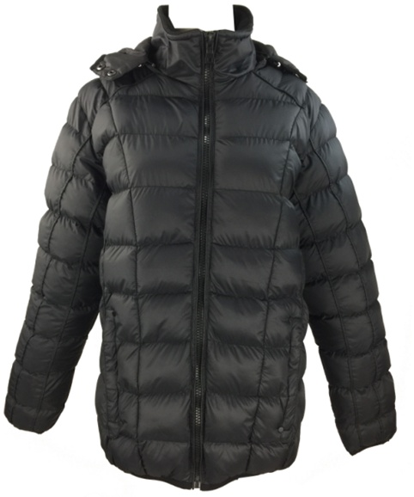
STYLE NO | CAJKT-5015 |  | DESCRIPTION |  | MEN'S PADDING JACKET
FABRIC | 100% nylon |  | 2016 PCS
COLOR | SIZE RATIO
 | CH | M | G | EG | EEG | TTL
BLACK | 188 | 296 | 276 | 208 | 40 | 1008
NAVY | 188 | 296 | 276 | 208 | 40 | 1008
SIZE CHART
UNIT:CM | CH | M | G | EG | EEG
front length from HPS | 70 | 72 | 74 | 76 | 78
chest width | 53 | 55 | 57 | 59 | 61
across shoulder | 44.5 | 46 | 47.5 | 49 | 50.5
bottom | 52 | 54 | 56 | 58 | 60
sleeve length | 64.5 | 65 | 66.5 | 68 | 69.5
armhole straight | 25 | 26 | 27 | 28 | 29
sleeve cuff -relax | 10.5 | 11 | 11.5 | 12 | 12.5
upper arm | 21 | 22 | 23 | 24 | 25
hood width | 35 | 35 | 36 | 36 | 36
hood height | 24 | 25 | 26 | 27 | 28

PACKING WAY:
1.Each piece in individual polybag,and 12pcs in one carton,solid color assorted size.
2.carton size is 60CM*40CM*54CM
3.Total CBM is 21.7 CBM

